Indices

 | Iraq Stock Exchange
 | Bulletin No (28)
 | ISX Trading Indices of Thursday 12/2/2026

 | Traded Volume and OTC |  | 394,586,225 |  | Traded Value and OTC |  | 655,488,397 |  | Traders | 836

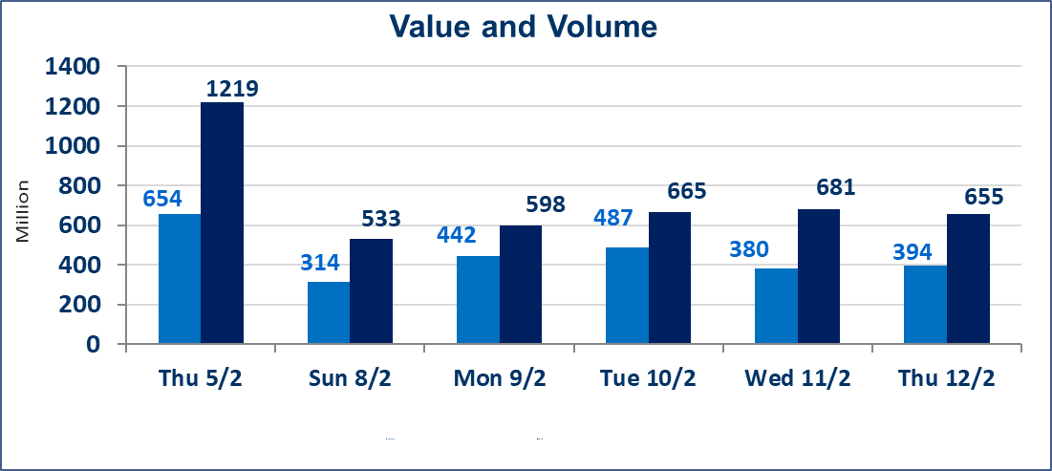
 | ISX Index 60 |  |  | 952.44 | ISX Index 15 |  |  | 1228.96
 | Previous ISX Index60 |  |  | 949.75 | Previous ISX Index15 |  |  | 1225.33
 | Change % |  |  | 0.28 | Change % |  |  | 0.30
 | Change |  |  | 2.69 | Change |  |  | 3.63

 | Listed Companies | 104 | OTC | 14 | Non Traded listed | 64 | OTC | 13
 | Traded Listed Companies | 46 | OTC | 1 | Higher Companies |  |  | 11
 | GAM Companies |  |  | 2 | Lower Companies |  |  | 11
 | Suspended Companies |  |  | 10
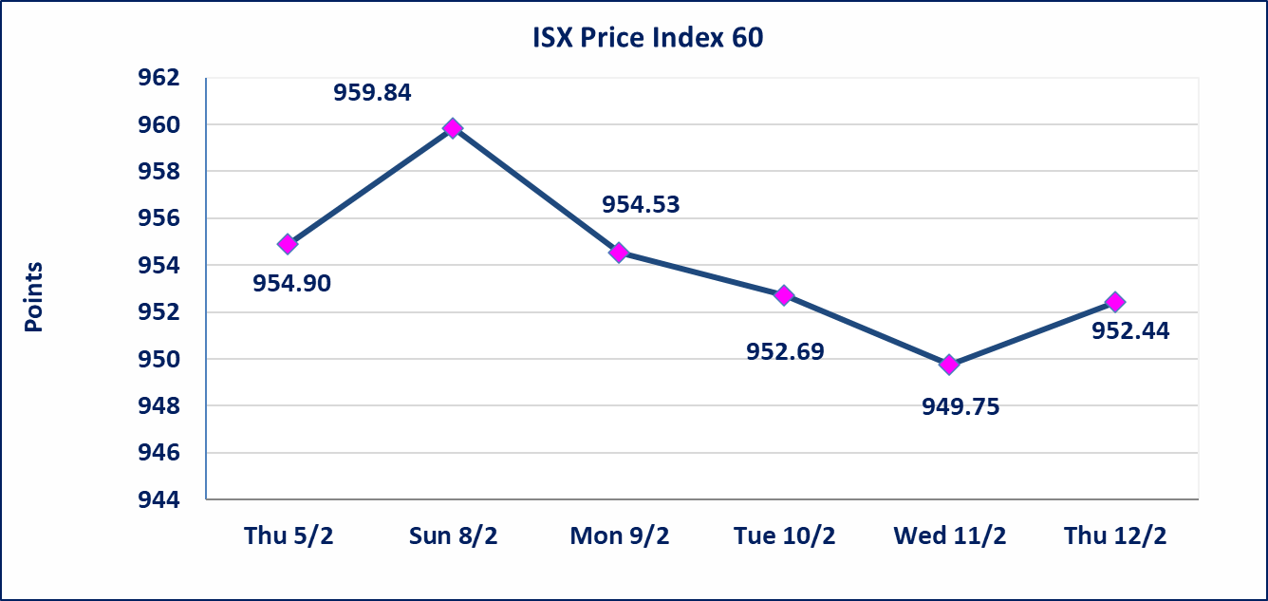
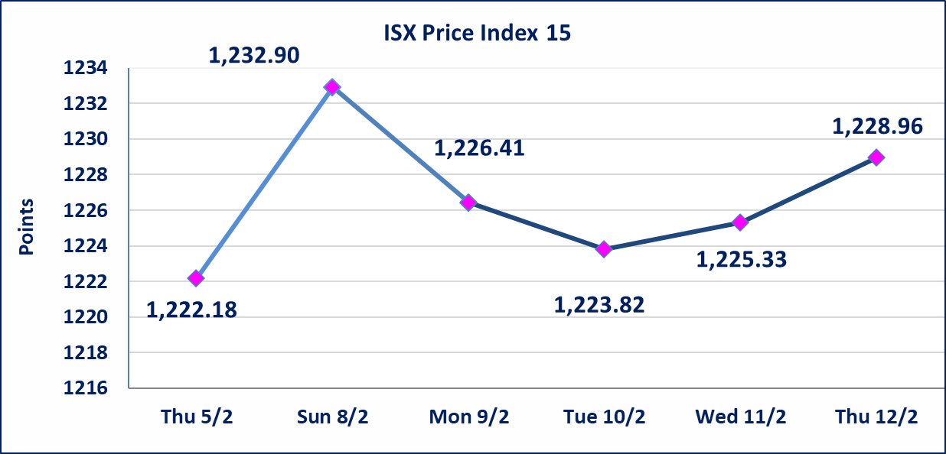

Al-Alwiya P.O . 3607 Mobile: 07711211522 - 07270094594 - 07834000034 E-mail: info-isx@isx-iq.net Web site:www.isx-iq.net

Top 5
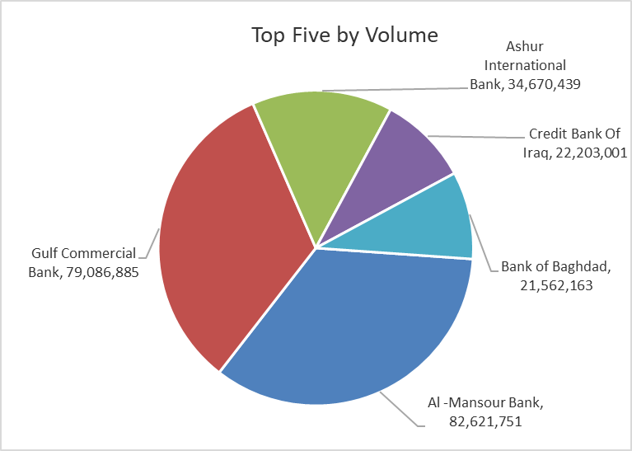
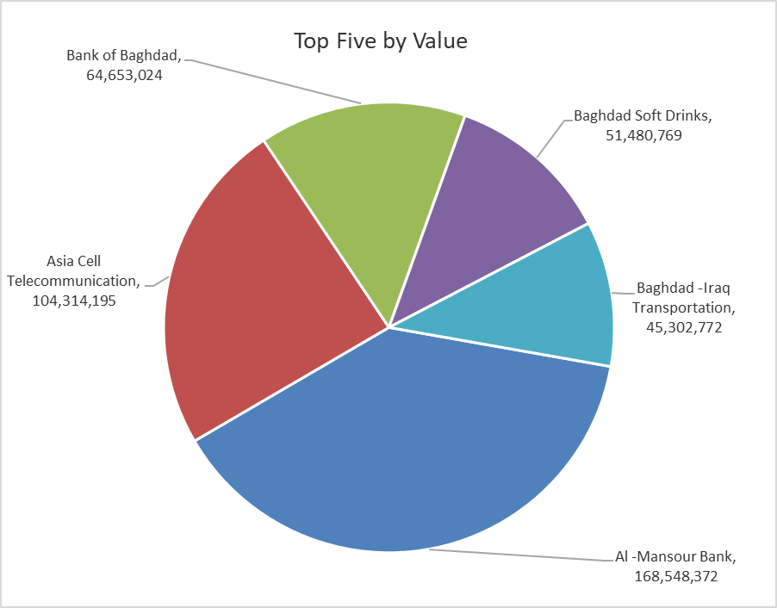

ISX top ganing and losing companies
Thursday 12/2/2026
 | Gainers |  |  |  | Losers
 | Company Name | Closing Price | Change (%) | Traded Volume | Company Name | Closing Price | Change (%) | Traded Volume
 | Credit Bank Of Iraq | 0.630 | 8.62 | 22,203,001 | Ashour Hotel | 27.000 | -18.18 | 7,939
 | Al -Khazer Construction Materials | 1.290 | 4.88 | 226,838 | Kurdistan International Bank | 1.750 | -7.89 | 1,084,181
 | Gulf Commercial Bank | 0.290 | 3.57 | 79,086,885 | Al-Mansour Pharmaceuticals Industries | 2.080 | -1.89 | 3,115,029
 | The Light Industries | 1.360 | 2.26 | 11,995,169 | Palestine Hotel | 19.900 | -1.73 | 994,297
 | Baghdad -Iraq Transportation | 25.000 | 2.04 | 1,825,773 | Babil Animal & Vegetable Production | 6.700 | -1.47 | 30,000
 | The most active companies in term of traded volume and value

 | Traded Volume |  |  |  | Traded Value
 | Company Name | Closing Price | Change (%) | Traded Volume | Company Name | Closing Price | Change (%) | Traded Value
 | Al -Mansour Bank | 2.040 | 0.00 | 82,621,751 | Al -Mansour Bank | 2.040 | 0.00 | 168,548,372
 | Gulf Commercial Bank | 0.290 | 3.57 | 79,086,885 | Asia Cell Telecommunication | 14.960 | 0.07 | 104,314,195
 | Ashur International Bank | 0.250 | 0.00 | 34,670,439 | Bank of Baghdad | 3.020 | 0.67 | 64,653,024
 | Credit Bank Of Iraq | 0.630 | 8.62 | 22,203,001 | Baghdad Soft Drinks | 5.800 | 0.17 | 51,480,769
 | Bank of Baghdad | 3.020 | 0.67 | 21,562,163 | Baghdad -Iraq Transportation | 25.000 | 2.04 | 45,302,772

Not Trading Bonds

Iraq Stock Exchange
Thursday 12/2/2026
Not Trading Bonds Bulletin
Bond type | Publish type | Code | last trading price | immortilize date
Banaa Bonds /Million ID | Second | CB20 | 964,981 | 19/12/2025
Eamar Bonds /Million ID | First | CB30 | 1,001,095 | ــــــــــــــــ
Eamar Bonds /Million ID | Second | CB40 | ــــــــــــــــ | ــــــــــــــــ
Eamar Bonds /500 Thousand ID | Third | CB45 | ــــــــــــــــ | ــــــــــــــــ
Eamar Bonds /Million ID | Third | CB50 | ــــــــــــــــ | ــــــــــــــــ
Injaz Bonds /500 Thousand ID | First | CB55 | ــــــــــــــــ | ــــــــــــــــ
Injaz Bonds /Million ID | First | CB60 | ــــــــــــــــ | ــــــــــــــــ
Injaz Bonds /500 Thousand ID | Second | CB65 | 515,047 | ــــــــــــــــ
Injaz Bonds /Million ID | Second | CB70 | 1,026,082 | ــــــــــــــــ
Injaz Bonds /500 Thousand ID | Third | CB75 | ــــــــــــــــ | ــــــــــــــــ
Injaz Bonds /Million ID | Third | CB80 | 978,182 | ــــــــــــــــ
National Bonds/Million ID | First | CB90 | ــــــــــــــــ | ــــــــــــــــ
National Bonds/500 Thousand ID | Second | CB95 | ــــــــــــــــ | ــــــــــــــــ
National Bonds/Million ID | Second | CB100 | ــــــــــــــــ | ــــــــــــــــ

